ProcessDes
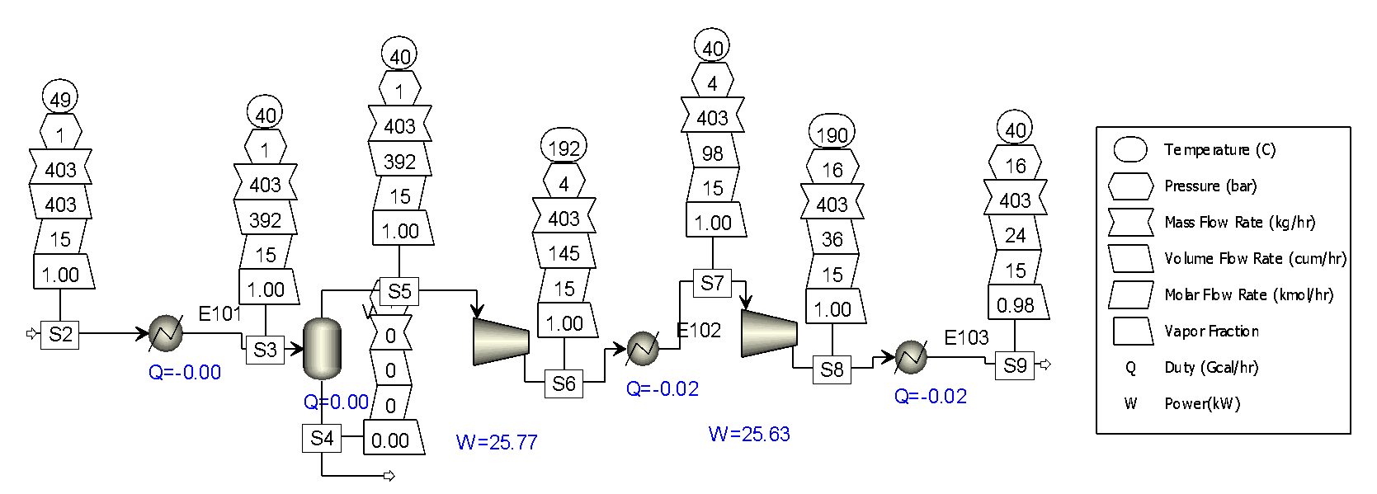
Southern California Gas Biogas Project

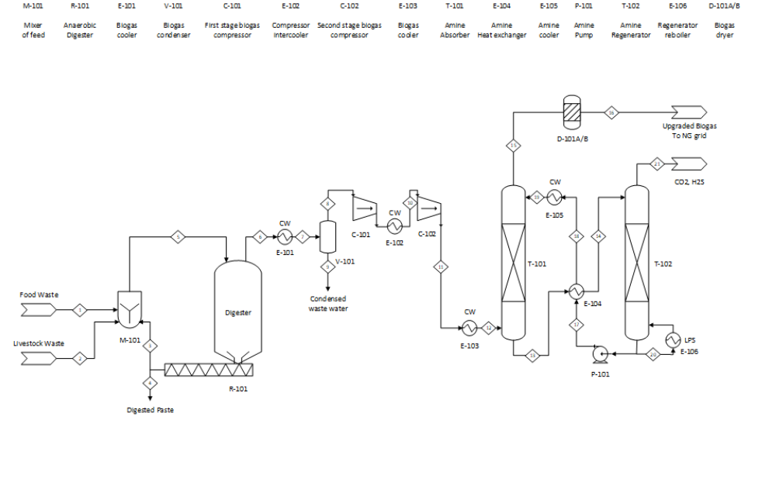
Process Description:
The food waste and livestock waste are mixed and sent to the an anaerobic digester to generate biogas. The digested paste is sent out as solid waste. After cooling and condensing, the biogas is compressed by a two stage compressor with intercooler. The compressed biogas is then upgraded by an Amine system, where the Amine solution MDEA is applied to remove CO2 and H2S. The upgraded biogas is dried and/or purified by a dryer/adsorber and sent to the SoCalGas natural gas grid.
 |  |  |  |  |  |  |  | CW: cooling water
Base Case Simulation Settings |  |  |  |  |  |  |  | LPS: low pressure steam

Stream ID | 1
Stream Description | Food waste
Mass flow | 18035 | tons/year | Ref. 4
 | 2045 | kg/hr (8000 opt. hour/year)

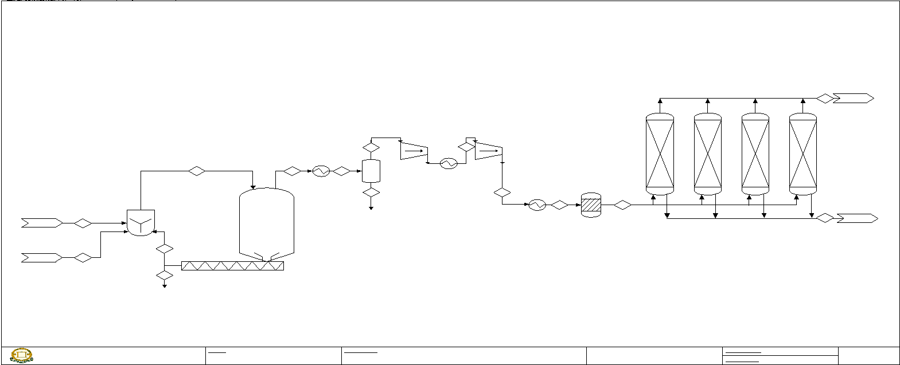
Stream ID | 2
Stream Description | Green waste
Mass flow | 11750 | tons/year | Ref. 4
 | 1332 | kg/hr (8000 opt. hour/year)

Stream ID | 5
Stream Description | Total waste feed
Mass flow | 29785 | tons/year
 | 3378 | kg/hr (8000 opt. hour/year)

Stream ID | 6
Stream Description | Biogas from digester
Volumetric flow | 3.23E+06 | m3/year | Ref. 30. set to 120 m3/kg
 | 3.54E+03 | tonne/year | simulation | 913.7199434 | m3/tonne
 | 114067450 | cf/year
 | 238 | scfm (8000 hour/year)
Conversion rate | 0.1195 | m3/kg | Note: Ref. 6, 7 has 0.1m3/kg, 1.6 scf/lb
 | 1.9188 | scf/lb
Composition (mole)
CH4 | 60% |  | Ref. 2
CO2 | 38%
H2S | 100 ppm
Others | <2%

Stream ID | 7, 10, 12, 19
CW cooler outlet temperature | 40 | C

Stream ID | 11
Stream Description | After compressing
Pressure | 15 | barg | Ref. 1
 | 217.5 | psig

Stream ID | 16 |  |  | Emission reduction:
Stream Description | Upgaded biogas to grid |  |  | Waste mass flow | 29,785 | tons/year
Pressure | 14.5 | barg |  | RNG product | 1,938,000 | m3/year
 | 210.25 | psig |  |  | 68,440,470 | cf/year
Volumetric flow | 1938000 | m3/year |  |  | 86,518 | kmol CH4/year | 22.4 l/mol
 | 68440470 | cf/year |  |  | 1,273,266 | kg CH4/year | Methane 0.657 kg/m³
 | 143 | scfm (8000 hour/year) |  |  | 31,831,650 | kg CO2e/year | the GWP for methane is 25
Heat of combustion | 8.726 | MMBtu/hr | 1020 btu/scf | Replaced fossil NG | 86,518 | kmol CH4/year
 | 69809 | MMBtu/year (8000 hour/year) |  | CO2 emission | (86,518) | kmol CO2/year
 | 502225 | dge/year (139,000btu/dge) |  |  | (3,806,786) | kg CO2e/year
Composition (mole) |  |  |  | kg CO2e/ton waste | (127.81) | kg CO2e/ton waste
CH4 | >98%
CO2 | <1%
H2S | n/a
Others | <0.5%

Stream ID | 21
Stream Description | Removed CO2 & H2S
Volumetric flow | 1227400 | m3/year
 | 43345631 | cf/year | 1444.854367
 | 90 | scfm (8000 hour/year)
Mass flow | 281 | kg/hr | 19.253 scf/kg CO2

CapCost
Capital Cost Estimation |  | CEPCI = 610
Equipment cost:
ID | Description | Simulation basis | Simulation results | Sizing basis | Sizing results | Costing basis | f.o.b. cost (equipment) | Bare module cost (installed) | Notes
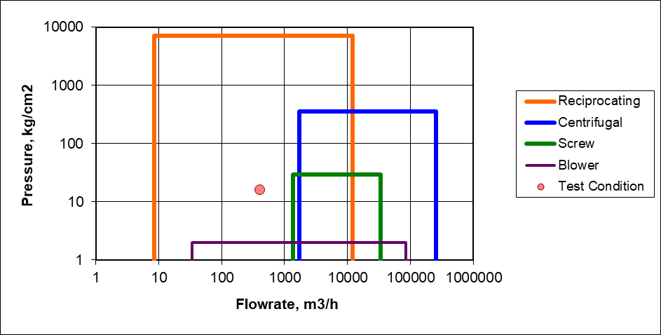
M-101
R-101 |  |  |  | 15 days |  | Ref. 24 |  | $15,344,000 | Ref. 20 f.o.b. cost 33MM$. Ref. 22 MM$5.6~8.7 installed cost.
C-101 | 1st-stage biogas compressor | 1 bara - 4 bara | 26 kW for 403 cum/hr |  |  | Ref. 16, 26 kW Reciprocating, SS304 | $107,000 | $321,000 | Reciprocating type selected according to the flow
C-102 | 2nd-stage biogas compressor | 4 bara - 16 bara | 26 kW for 403 cum/hr |  |  | Ref. 16, 26 kW Reciprocating, SS304 | $107,000 | $321,000
E-101 |  |  |  |  |  |  |  |  | as part of the compressing
E-102 |  |  |  |  |  |  |  |  | as part of the compressing
V-101 |  |  |  |  |  |  |  |  | as part of the compressing
Amine system | Amine system to remove 247 kg/hr CO2 |  |  |  |  | Ref. 17 Table D.5. scale down at 0.67 factor | $290,581 | $979,768 | Amine system as a whole
T-101
T-102
E-103
E-104
E-105
E-106
P-101
D-101 | Disscant for water removal, active carbone for siloxanes removal. |  |  |  |  | Assumed |  | $100,000 | Including packings
Flare system |  |  |  |  |  | Ref. 19, assumed |  | $200,000
Injection point |  |  |  |  |  | Ref. 8 with 50% subsides already |  | $1,000,000 | Injection point Ref. 8
Total |  |  |  |  |  |  |  | $18,265,768

 | Fixed capital investment (FCI) without land
 | 15,000,000 | 18% more for contingency and fee
 | $21,553,606

Financial
Financial Analysis (Ref. 18)

 | Un-depreciation Land Cost | $100,000 |  | Discounted Profitability Criteria
 | Fixed Capital Investment (no land) | $15,000,000 |  | End of year, k | Investment | dk (depreciation) | FCIL-sum(dk) | Revenue | COMd | (R-COMd-dk)(1-t)+dk | Cash flow | Sum(CF) | Disc CF | Sum(Disc CF)
 | 1st year FCI | $9,000,000 |  | 0 | -$100,000 |  | $15,000,000 |  |  |  | -$100,000 | -$100,000 | -$100,000 | -$100,000
 | 2nd year FCI | $6,000,000 |  | 1 | -$9,000,000 |  | $15,000,000 |  |  |  | -$9,000,000 | -$9,100,000 | -$8,450,704 | -$8,550,704
 | Working Capital | $0 |  | 2 | -$6,000,000 |  | $15,000,000 |  |  |  | -$6,000,000 | -$15,100,000 | -$5,289,956 | -$13,840,660
 | Depreciation Method | 5-year MACRS |  | 3 |  | $3,000,000 | $12,000,000 | $2,878,479 | $1,200,000 | $1,678,479 | $1,678,479 | -$13,421,521 | $1,389,528 | -$12,451,132
 | Bio Natural gas Sale Price $/MMBtu | $7.10 | $2.95/MMBtu | 4 |  | $4,800,000 | $7,200,000 | $2,878,479 | $1,200,000 | $1,678,479 | $1,678,479 | -$11,743,041 | $1,304,721 | -$11,146,411
 | Bio Natural gas Sale Revenue $/yr | $495,679 |  | 5 |  | $2,880,000 | $4,320,000 | $2,878,479 | $1,200,000 | $1,678,479 | $1,678,479 | -$10,064,562 | $1,225,090 | -$9,921,321
 | Waste tipping fee (in revenue) $/yr | $2,382,800 | $80/ton | 6 |  | $1,728,000 | $2,592,000 | $2,878,479 | $1,200,000 | $1,678,479 | $1,678,479 | -$8,386,082 | $1,150,319 | -$8,771,002
 | Cost of Manufacture $/yr | $1,200,000 |  | 7 |  | $1,728,000 | $864,000 | $2,878,479 | $1,200,000 | $1,678,479 | $1,678,479 | -$6,707,603 | $1,080,112 | -$7,690,890
 | Tax Rate | 26% |  | 8 |  | $864,000 | $0 | $2,878,479 | $1,200,000 | $1,466,715 | $1,466,715 | -$5,240,888 | $886,235 | -$6,804,655
 | Salvage Value | $1,050,000 |  | 9 |  |  | $0 | $2,878,479 | $1,200,000 | $1,242,075 | $1,242,075 | -$3,998,813 | $704,695 | -$6,099,960
 | Interst Rate | 6.5% |  | 10 |  |  | $0 | $2,878,479 | $1,200,000 | $1,242,075 | $1,242,075 | -$2,756,738 | $661,686 | -$5,438,274
 | Other Information | 2 year construction, 20 year operation |  | 11 |  |  | $0 | $2,878,479 | $1,200,000 | $1,242,075 | $1,242,075 | -$1,514,663 | $621,301 | -$4,816,973
 | LCFS credit/MMBtu (carbon intensity of 50) | $8.90 |  | 12 |  |  | $0 | $2,878,479 | $1,200,000 | $1,242,075 | $1,242,075 | -$272,588 | $583,381 | -$4,233,592
 | RINs credit/MMBtu (D3 at $2.30) | $29.87 |  | 13 |  |  | $0 | $2,878,479 | $1,200,000 | $1,242,075 | $1,242,075 | $969,486 | $547,776 | -$3,685,816
 | Commodity price/MMBtu of Natural Gas | $3.00 |  | 14 |  |  | $0 | $2,878,479 | $1,200,000 | $1,242,075 | $1,242,075 | $2,211,561 | $514,343 | -$3,171,473
 | Total price (credits+commodity price)/MMBtu | $41.77 |  | 15 |  |  | $0 | $2,878,479 | $1,200,000 | $1,242,075 | $1,242,075 | $3,453,636 | $482,952 | -$2,688,521
 |  |  |  | 16 |  |  | $0 | $2,878,479 | $1,200,000 | $1,242,075 | $1,242,075 | $4,695,711 | $453,476 | -$2,235,046
 |  |  |  | 17 |  |  | $0 | $2,878,479 | $1,200,000 | $1,242,075 | $1,242,075 | $5,937,786 | $425,799 | -$1,809,247
 |  |  |  | 18 |  |  | $0 | $2,878,479 | $1,200,000 | $1,242,075 | $1,242,075 | $7,179,860 | $399,811 | -$1,409,436
 |  |  |  | 19 |  |  | $0 | $2,878,479 | $1,200,000 | $1,242,075 | $1,242,075 | $8,421,935 | $375,409 | -$1,034,026
 |  |  |  | 20 |  |  | $0 | $2,878,479 | $1,200,000 | $1,242,075 | $1,242,075 | $9,664,010 | $352,497 | -$681,529
 |  |  |  | 21 |  |  | $0 | $2,878,479 | $1,200,000 | $1,242,075 | $1,242,075 | $10,906,085 | $330,983 | -$350,546
 |  |  |  | 22 | $100,000 |  | $0 | $2,878,479 | $1,200,000 | $1,242,075 | $1,342,075 | $12,248,160 | $335,804 | -$14,742

Discounted Cash Flow Diagram

Refs
Ref. 1 | Pressure of NG grid. Assume to be 15 barg. Need to be confirmed with CCP NG grid interconnection.
 | http://gasprocessingnews.com/features/202004/natural-gas-pipeline-systems-and-operations.aspx
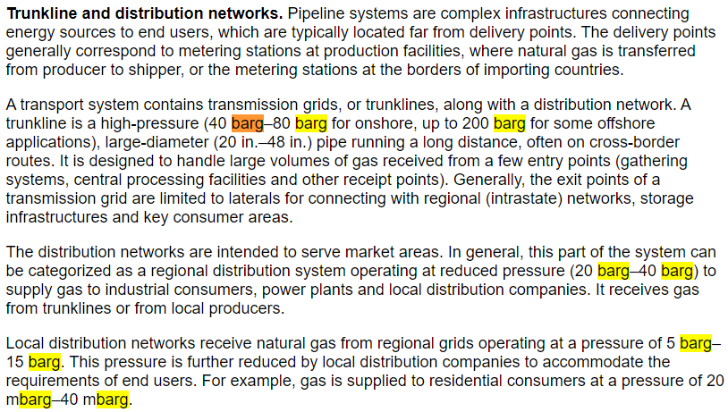

Ref. 2 | Biogas Cleaning and Upgrading Technologies
 | https://ohioline.osu.edu/factsheet/AEX-653.1-14
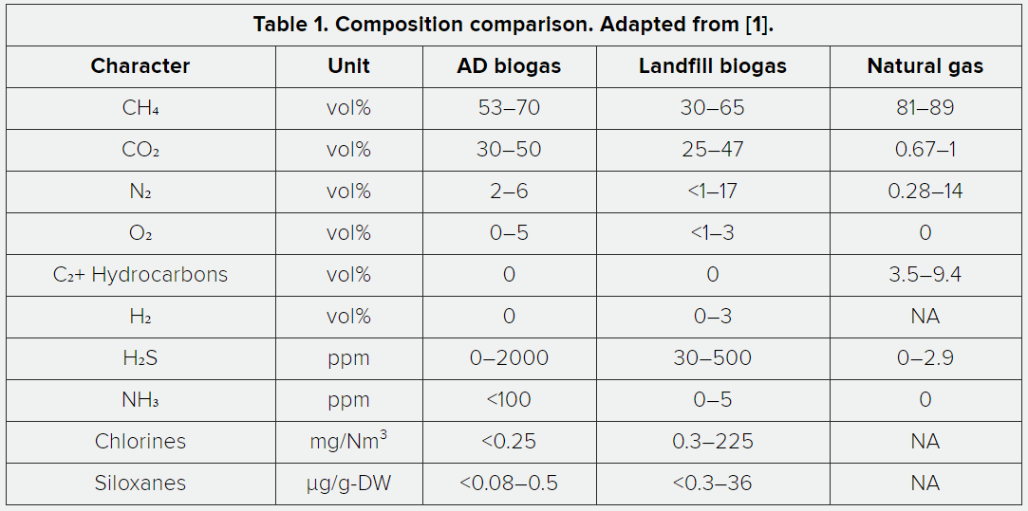

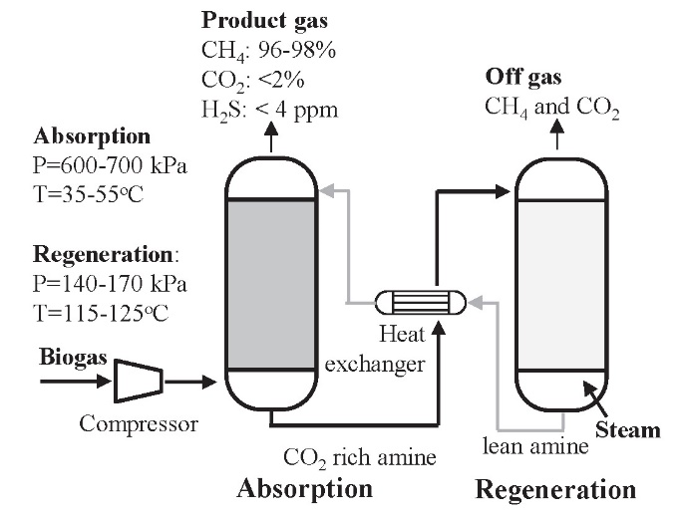
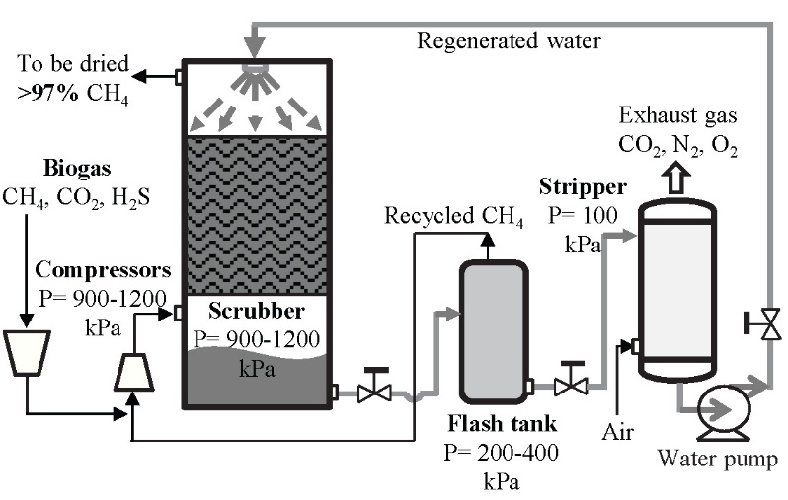

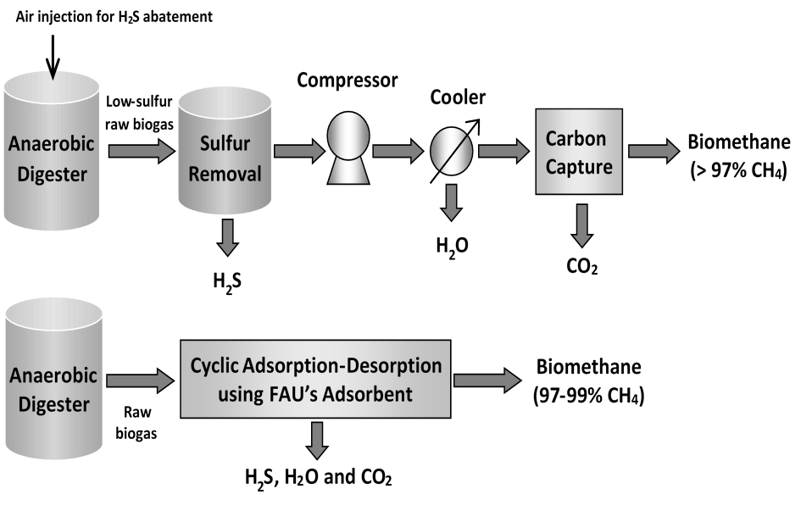

Ref. 3 | Single-Stage Biogas Upgrading to Biomethane
 | http://www.ces.fau.edu/research/janke/biogas-to-biomethane-2020.php

Ref. 4 | CPP work, total waste 29480 tons/year. biogas 3.226MMm3/year
 | https://docs.google.com/spreadsheets/d/1tFNFBGsmi8ibV8whMBNi5Im8o_MP_ovY1NFXWoQRIFs/edit#gid=1568644564
 | 3.23E+06 | m3/year |  |  | 29480 | tons/year |  | 1.21E-01 | m3/kg | higher than 0.1 m3/kg
 | 113926190 | cf/year |  |  | 58960000 | lb/year
 | 237 | scfm (8000 hour/year) |  |  | 122.8333333 | lb/min |  | 1.932262381 | ft3/lb

Ref. 5 | Sizing of the Biogas Plant
 | https://energypedia.info/wiki/Sizing_of_the_Biogas_Plant

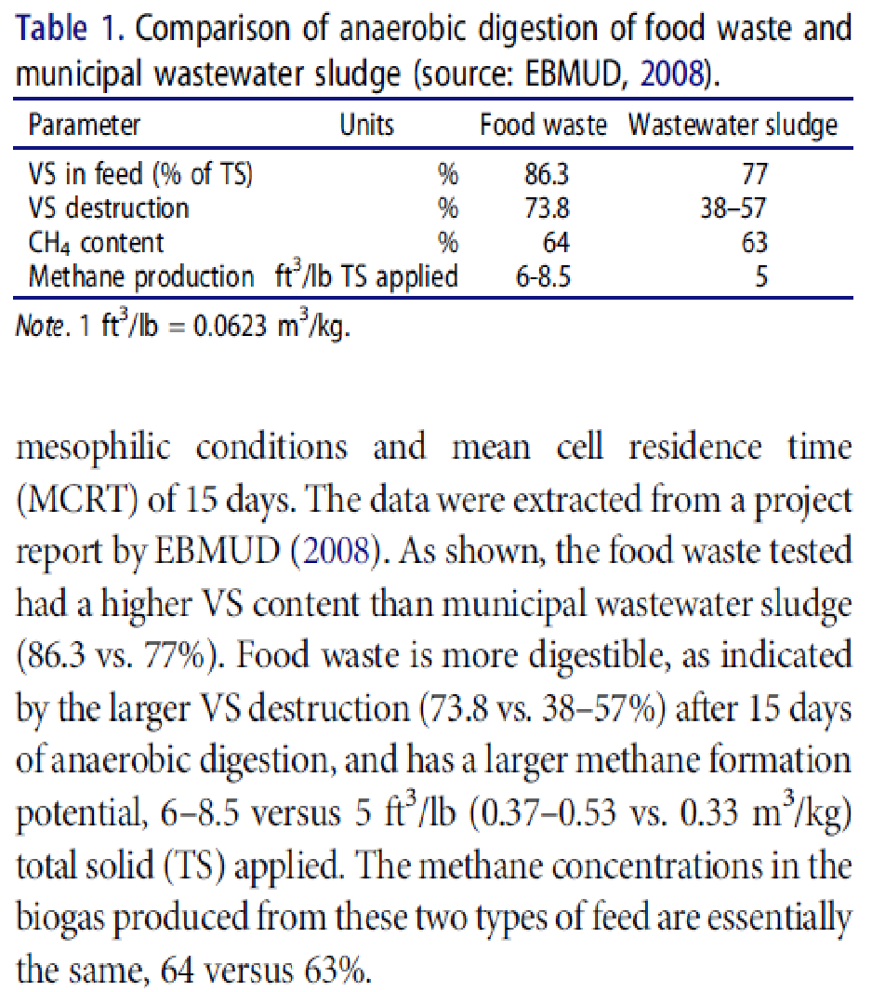
Ref. 6 | Biogas production from anaerobic digestion of food waste and relevant air quality implications.pdf
 | https://www.tandfonline.com/doi/pdf/10.1080/10962247.2017.1316326#:~:text=Yields%20from%20anaerobic%20digestion%20can,ton%20of%20raw%20food%20waste.
 | Methane production 6-8.5 ft3/lb total solid applied, which is 4 times more than Ref. 4
 | after 15 days of anaerobic digestion.
 | "Yields from anaerobic digestion can be as high as 3,200 standard cubic feet (scf), 90.6 m3 , methane per ton of raw food waste. "
 | 1.6 | ft3/lb
 | 0.0999 | m3/kg
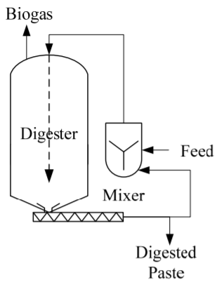

Ref. 7 | Current Anaerobic Digestion Technologies Used for Treatment of Municipal Organic Solid Waste
 | https://www.cityofpaloalto.org/civicax/filebank/documents/15798

Ref. 8 | Washington state univ. cost estimation sheet
 | ADBCv2-48.xlsm
 | 911,500 m3 CH4/year
 | Our CPP case is 1,378,000 m3/year, about 1.5 more than the example. Initial capital cost estimation is 1.5^0.6=1.28

Ref. 9 | https://csf.uw.edu/application/uw-anaerobic-digester-food-waste-renewable-energy-public-health-phase-2
 | 200,000$ investment for 40 t/y food waste. 220lb/day

Ref. 10 | https://impactbioenergy.com/
 | Vendor for UW 40t/y system.

Ref. 11 | https://docs.google.com/spreadsheets/d/1adqXNLshpdtSrrYYCb_EhcowQmGzlTCYBdhn5kmkBbY/edit#gid=0
 | USD read. The capacity is 8100 ton/year. Generate 2.3 MMkWh/year. Itemlized capital cost from 8.3MM$ to 14 MM$ to 23MM$. O&M $700,000/y to 1MM$/y. Revenue $660,000/y to 1.3MM$/y.
 | Revenue includes tipping fee $30/ton, electricity sale, and CO2 credit (1923 MTCO2E, $20/MTCO2).

Ref. 12 | https://docs.google.com/spreadsheets/d/1tFNFBGsmi8ibV8whMBNi5Im8o_MP_ovY1NFXWoQRIFs/edit#gid=2056716090
 | CPP Master sheet. 30,000 ton/year food waste. 3.2MMm3/year biogas. In waste functions.
 | 24,000 ton/year food waste in financial analysis. 13.5 MM$ FCI. 1.15 MM$/y O&M. (both by proportional equation). Capacity? Estimate model?
 | Revenue includes tipping fee $20/ton, D5 RIN credit $0.48/dge, LCFS credit $1.81/dge (diesel gallon equivalent). Can we use it as our credit? Gas vs. liquid. No CO2 credit?
 | 139,000 btu/dge. Total credit 0.48+1.81 = 2.29$/dge = $16.5/MMBtu.

Ref. 13 | https://www.socalgas.com/clean-energy/renewable-gas/additional-information-and-resources
 | from Kelly W.
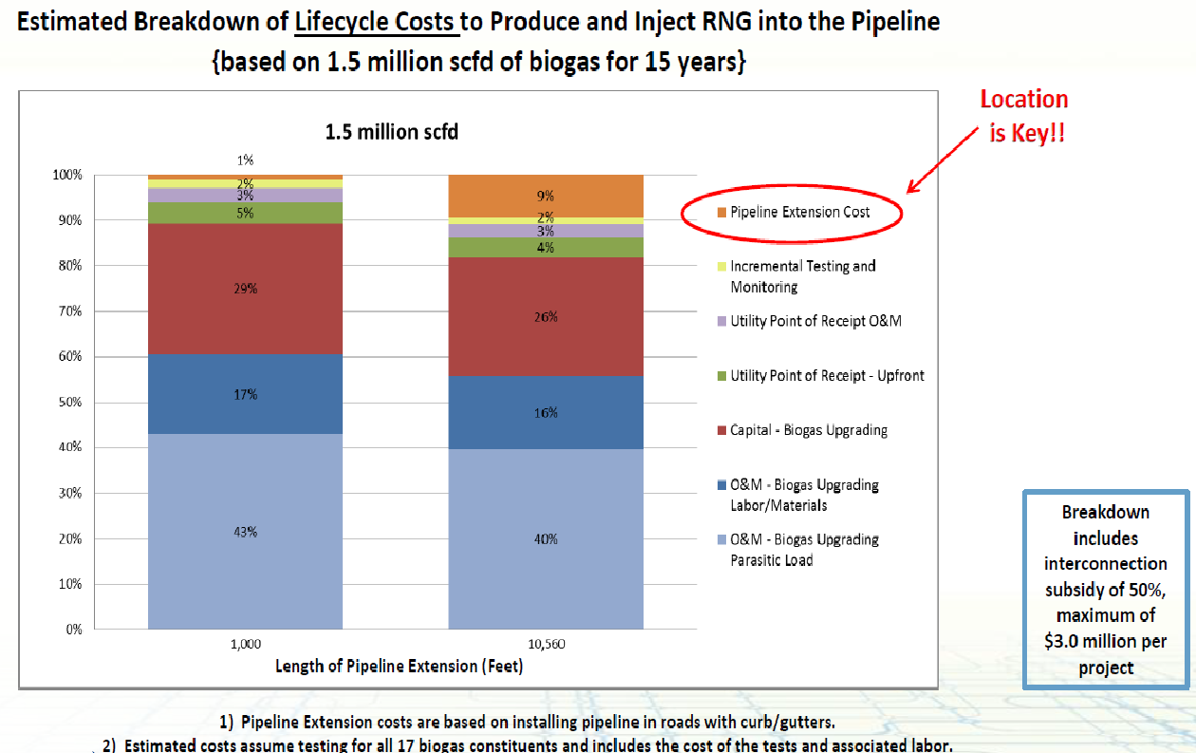
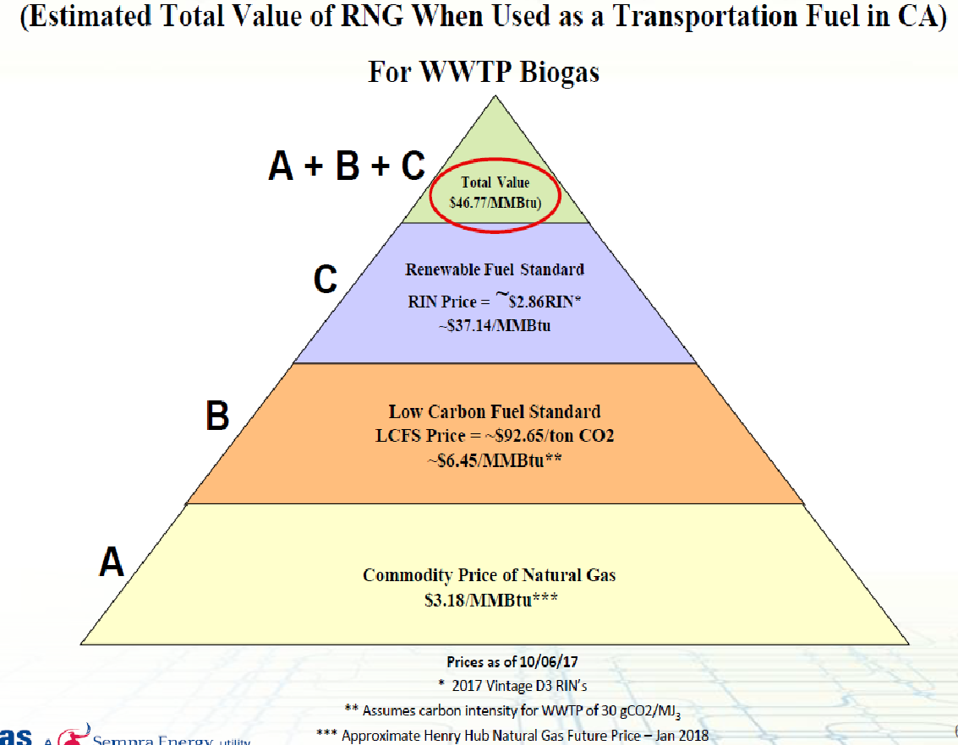
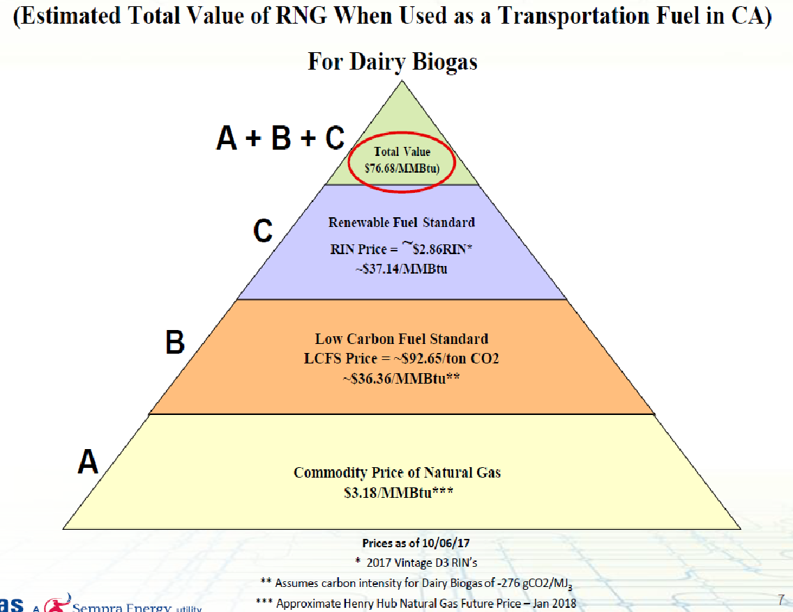
Ref. 14 | SCAQMD_PR1118.1_WorkgroupMtg_10-24-17_SoCalGas.pdf
 | from Kelly W.
 | 83k tons/year waste - 1MM dge/year
 | 10 million gallons/year of liquids (fertilizer) and 35,000 tons/year of solids
 | (soil product)
 | ▪ Equipment Vendors: Eisenman (anaerobic digestion) and Greenlane Biogas (biogas upgrading)
 | ▪ Cost: Over $100 million at full buildout. This investment is for four plants or one plant?
 | $47/MMBtu for WWTP biogas. $77/MMBtu for diary biogas, when combining LCFS and RIN. Don't know why diary biogas could be more expensive.
 | 1-1.5million scf/day. 700-1000 scf/min is a good scale
 | Pipeline interconnection cost is 1/30 (1000ft) 1/3 (10000ft). Breakdown includes interconnection subsidy of 50%, maximum of $3.0 million per project. Need to know the pipeline length.

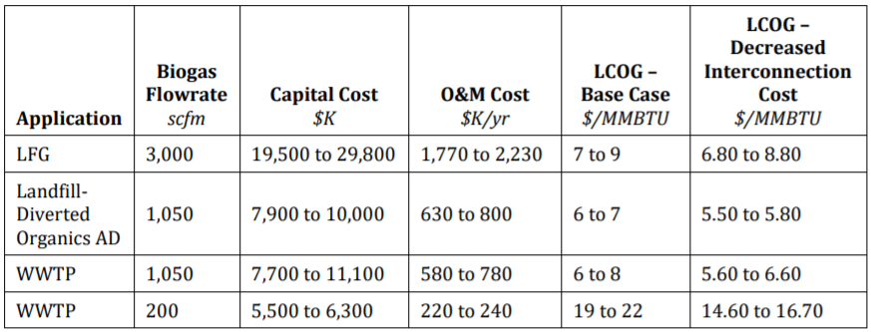
Ref. 15 | https://www.socalgas.com/sites/default/files/2020-01/Black-Veatch_Biogas_UpgradingTechnology_Study_2019.pdf
 | from Kelly W. Black-Veatch
 | Note that these costs are solely for biogas cleaning and injection into the utility pipeline, and do not include any costs for biogas production.

Ref. 16 | W.D. Seider, J.D. Seader, D.R. Lewin, Product & Process Design Principles, 2nd ed., Wiley (2004)
 | CWB costing sheet

Ref. 17 | https://llnl.primo.exlibrisgroup.com/discovery/delivery/01LLNL_INST:01LLNL_INST/1246163530006316
 | Aminecost2.pdf
 | Feed flue gas 914,400 cum/hr, CO2 9.7mol%, 88751 cum/hr, 144tonne/hr. Capital cost. Reboiler duty 380-440GJ/hr. CW ~200 GJ/hr
 | 2011 thousand US$ | Equipment cost | Installation cost | Installed cost
 | Absorber column | $4,220 | $9,290 | $13,510 |  | CEPCI ratio= | 1.042735043
 | Stripper column | $1,080 | $2,380 | $3,460 |  | new capacity CO2 ratio = | 0.001715277778 | 0.7547222222 | 0.3430555556
 | HXs | $8,200 | $12,600 | $20,800 |  | factor = | 0.67
 | Pressure vessels | $2,550 | $3,570 | $6,120
 | Fans | 175 | $245 | $420 |  | Total Equipment cost | $290,581
 | CO2 compressors | $6,260 | $9,350 | $15,610 |  | Total installed cost | $979,768
 | pumps | $1,660 | $3,920 | $5,580
 | let-down turbine | $1,980 | $1,320 | $3,300
 | Total (no compressor) | $19,865 | $33,325 | $53,190
 | Tanks |  |  | $1,790
 | Utility system |  |  | $5,600
 | Pipelines |  |  | $6,400

Ref. 18 | Turton et al, Analysis, Synthesis, and Design of Chemical Processes (4th or 5th Edition), Prentice Hall.

Ref. 19 | https://www3.epa.gov/ttncatc1/cica/files/fflare.pdf |  |  |  |  |  | Flare system cost

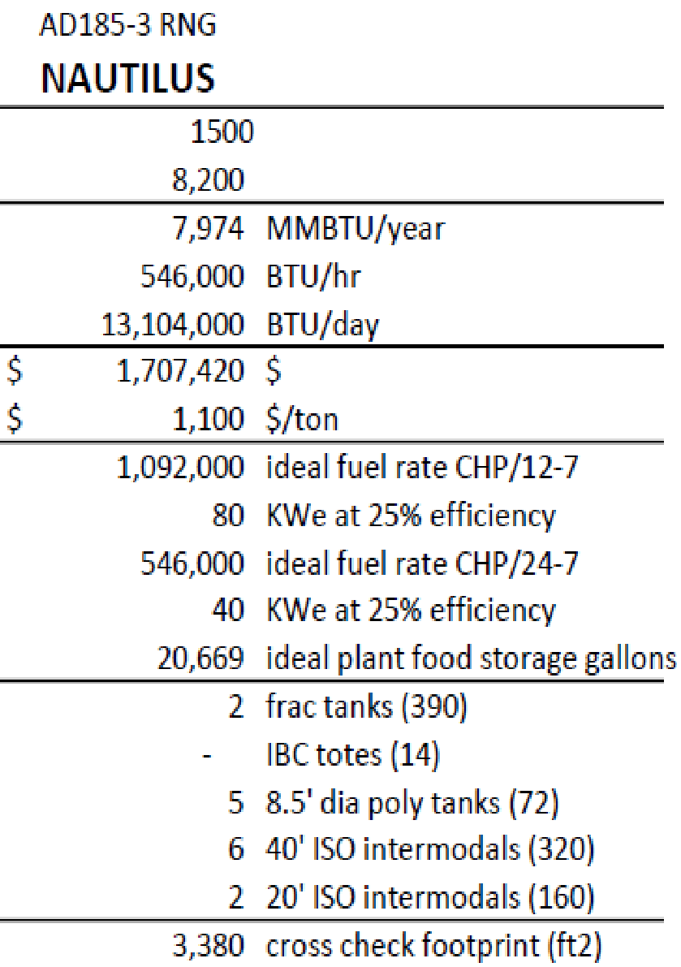
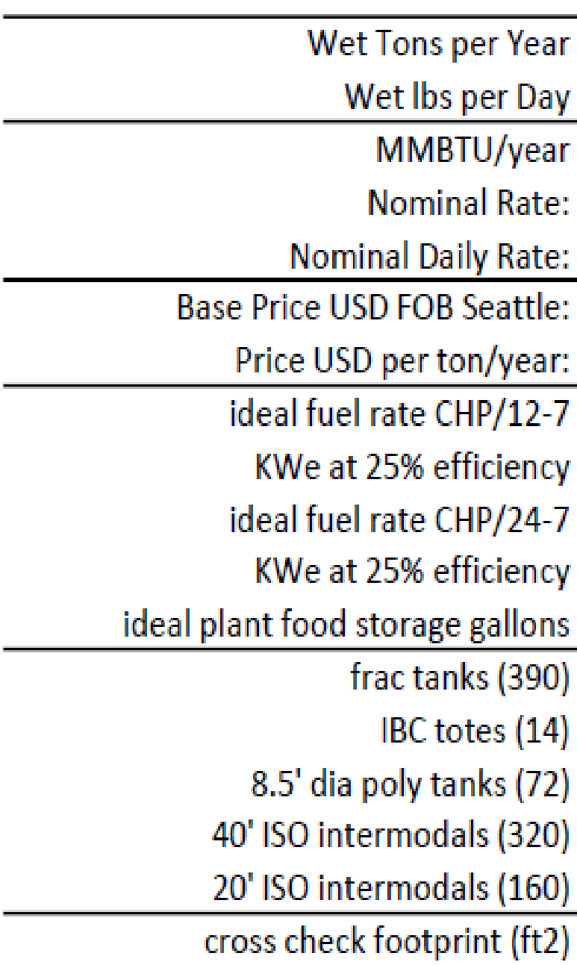

Ref. 20 | Impact Bioenergy Digester Sizing Matrix jan 10 2021 (002).pdf

 |  | 30,000 | ton/year
 |  | 70,000 | MMBtu/year
 |  | 33,000,000
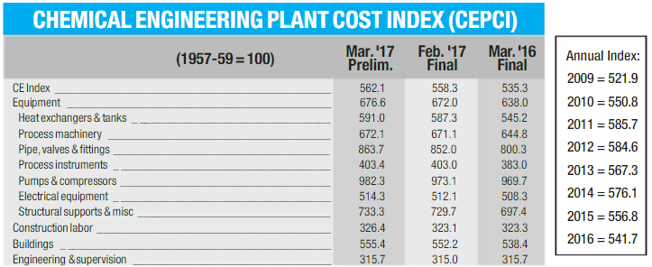
Ref. 21 | https://www.sciencedirect.com/science/article/abs/pii/S0960148112005782
 | DigesterCostanderson2013.pdf

Ref. 22 | https://www.nrel.gov/analysis/assets/docs/nrel-crest-anaerobic-digestion.xlsx
 | nrel-crest-anaerobic-digestion.xlsx
 | 2010 created example:
 | The capacity is 42700MMBtu/hr, 60% of our case. But the waste is only 10,000 ton/year, 33% of our case. The waste could produce more heat?
 | The total installed cost is $3,750,000. Not clear about the process scope. Assume it is only for anaerobic digester, no upgrade, no interconnection. |  |  |  |  |  |  |  |  |  |  |  | 5,094,957
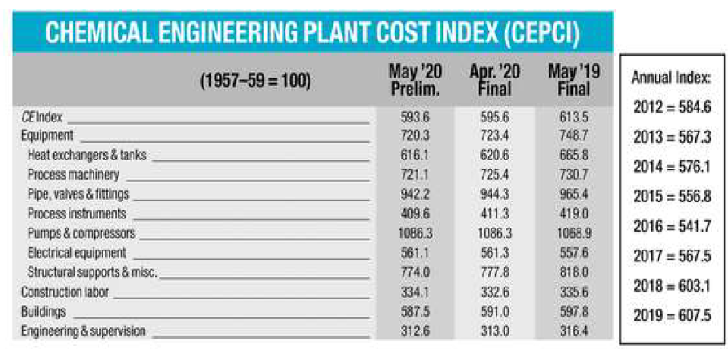
 | Using six/tenth rule, our case (only digester) installed cost would be (100/60)^0.6*3750000 = $5,095,000. or (100/33)^0.67*3750000=$7,882,000 |  |  |  |  |  |  |  |  |  |  |  | 7,881,828
 | After correction with CEPCI (2010=551, our case assumed 610), the digester installed cost is from $5,640,000 ~ $8,726,000. |  |  |  |  |  |  |  |  |  |  |  | 5,640,515 | 4,780,097
 | The operating cost is $351,000/year. Since our case has higher capacity and larger scope (upgradeing, interconnection, compressing), 2~6 times more is reasonable. |  |  |  |  |  |  |  |  |  |  |  | 8,725,798 | 7,394,744
 |  |  |  |  |  |  |  |  |  |  |  |  |  | 6,087,421

Ref. 23 | https://archive.epa.gov/region9/organics/web/html/index-2.html
 | epa-food-waste-biogas-economic-model.xls
 | 2010 created example:
 | The digester cost needs to be user inputed. But there are some information: default digester is 90ft Diameter and 20 ft height.
 | The food waste to CH4 conversion is 6.65 ft³ CH4/lb TS (Total solid), which is much higher than our case 1.94 scf biogas/lb (1.16 scf CH4/lb).
 | Q: it seems the sheet use food waste as 100% total solid, but it also shows 30% solid in food waste?
 | The total digester volume is calculated to be 924,000 ft3. need 7.2 digester as the default size.

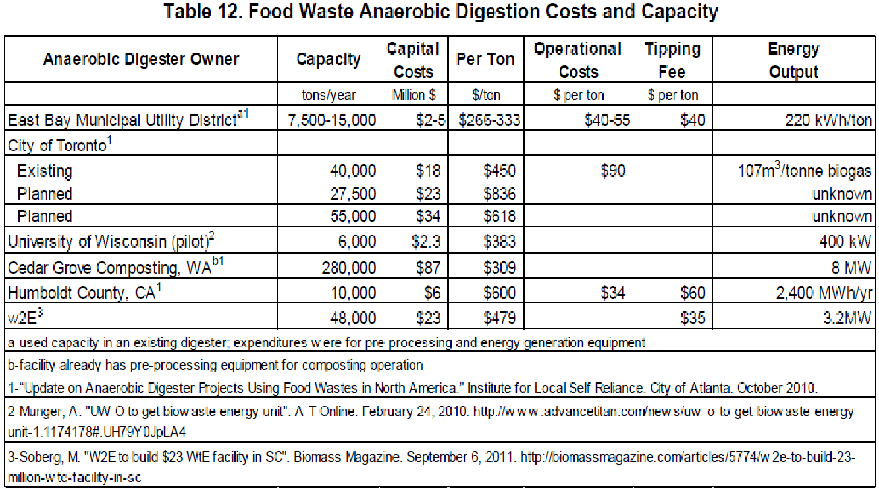
Ref. 24 | https://www.nrel.gov/docs/fy13osti/57082.pdf
 | FeasibilityReportSample.pdf. 2013 report CEPCI = 567.
 | Average installed and operating costs are estimated at $561/ton capacity and $48/ton processed, respectively. |  |  |  |  |  |  |  |  |  | 18,106,349 | 15,344,364
 | For 30,000 tons/year, the anaerobic digestion plant is $16,800,000 installed cost and $1,440,000/year. |  |  |  |  |  |  |  |  |  | 1,549,206
 | average biogas production of 3,434 cubic feet/ton, ~1.717 scf/lb. |  |  |  |  |  |  |  |  |  | 1.717
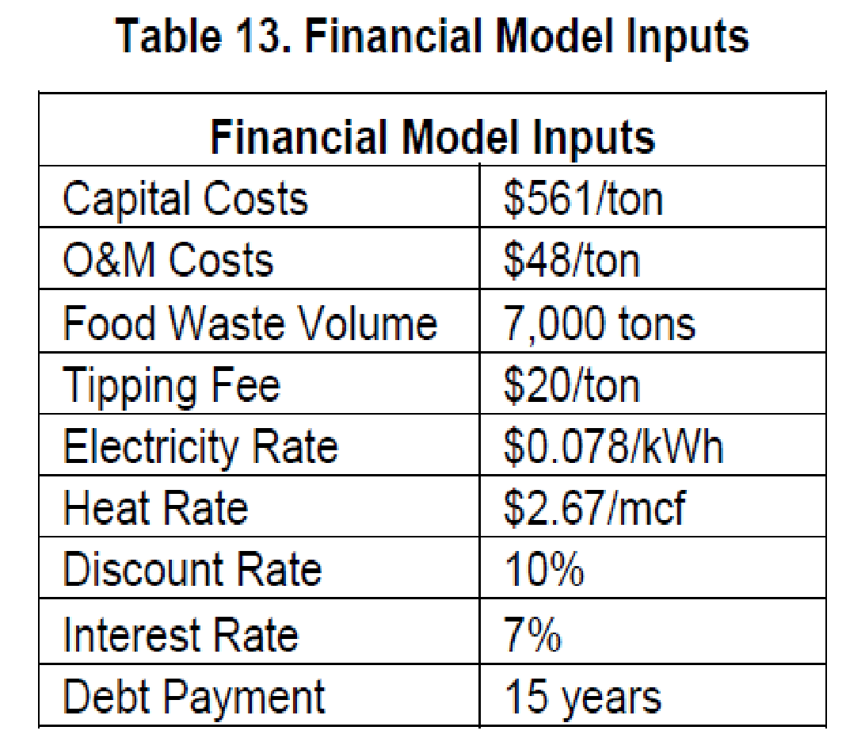
 | Table 14 seems from Ref. 23. but the scf/lb is stiall questionable.

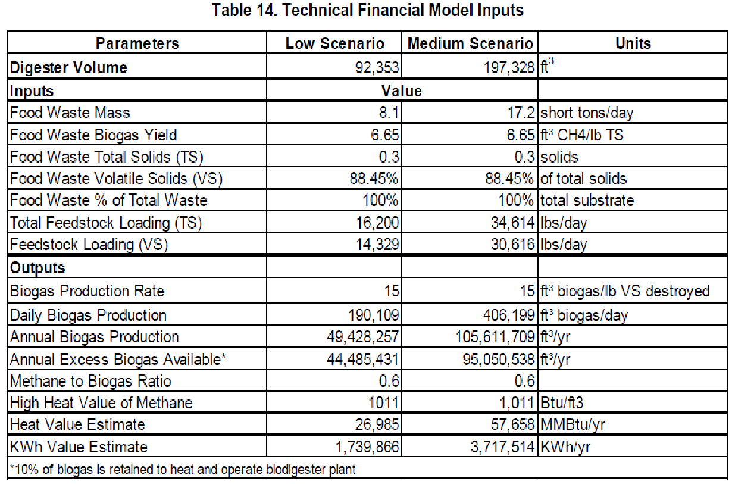

 |  |  | 8.1 | 17.2 | ton/day
 |  |  | 2956.5 | 6278 | ton/year
 |  |  | 49428257 | 105611709 | ft3/yr
 |  |  | 8.359251987 | 8.411254301 | ft3 biogas/lb

Ref. 25 | https://ohioline.osu.edu/factsheet/fabe-6611
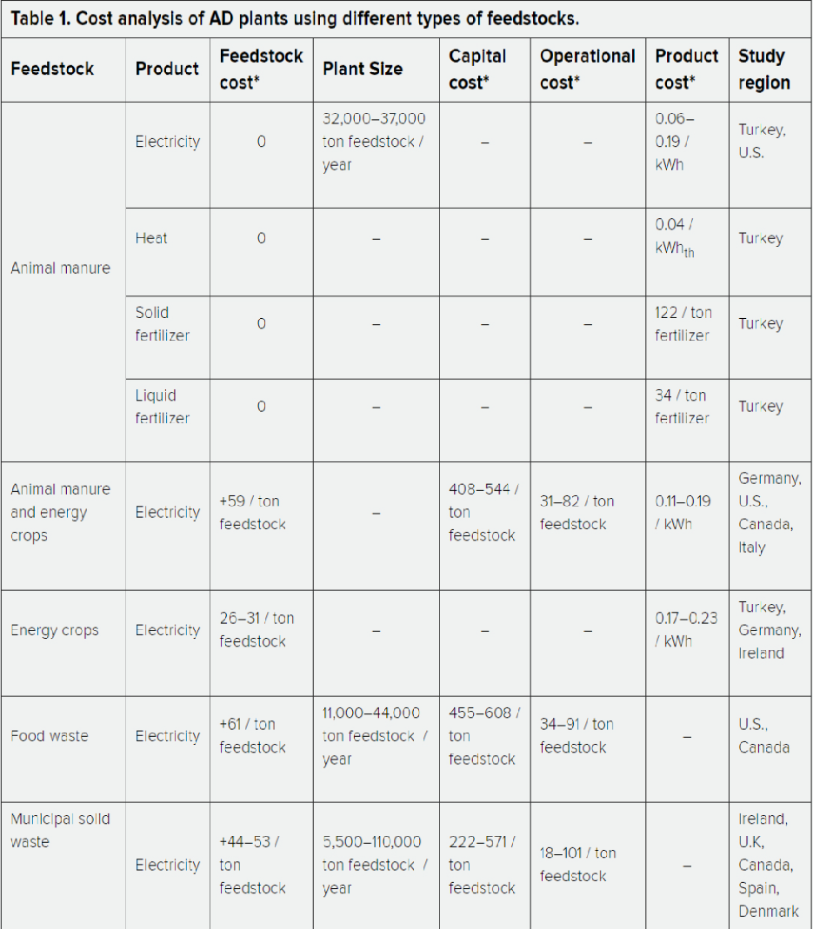

Ref. 26 | 2015-05-13-ZWE-Quals-English (3).pdf |  |  | Zero Waste Energy
 | Scenario A: Capacity feed 12,500 TPY, 8 digesters, 49'x12'x8.4' each. 25,140,000 cf CH4. Capacity is 41~58% of our case.
 | 0.4166666667 | 0.5799892497
 | The costs below do not include freight, permit costs, utilities/interconnection costs, applicable taxes, and any site development or preparation work.
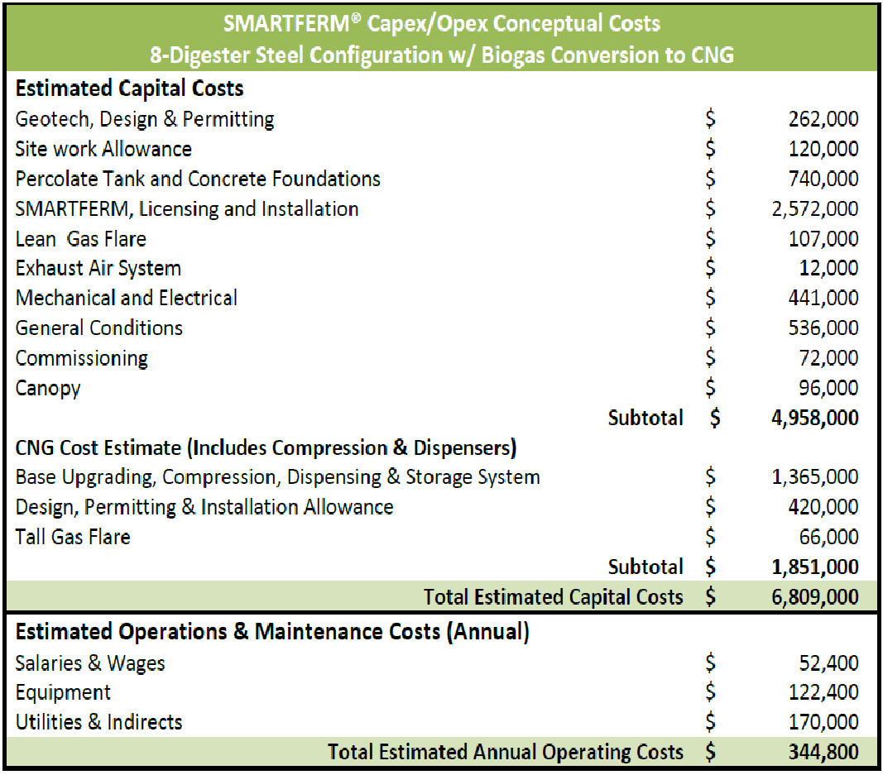

 | Scenario B: Capacity feed 25,000 ton/yr, 5 digesters, 105'x18'x8.4' each. 50,280,000 cf CH4. Capacity is 83~116% of our case.
 | 0.8333333333 | 1.161469161
 | The costs below do not include freight, permit costs, utilities/interconnection costs, applicable taxes, and any site development or preparation work.
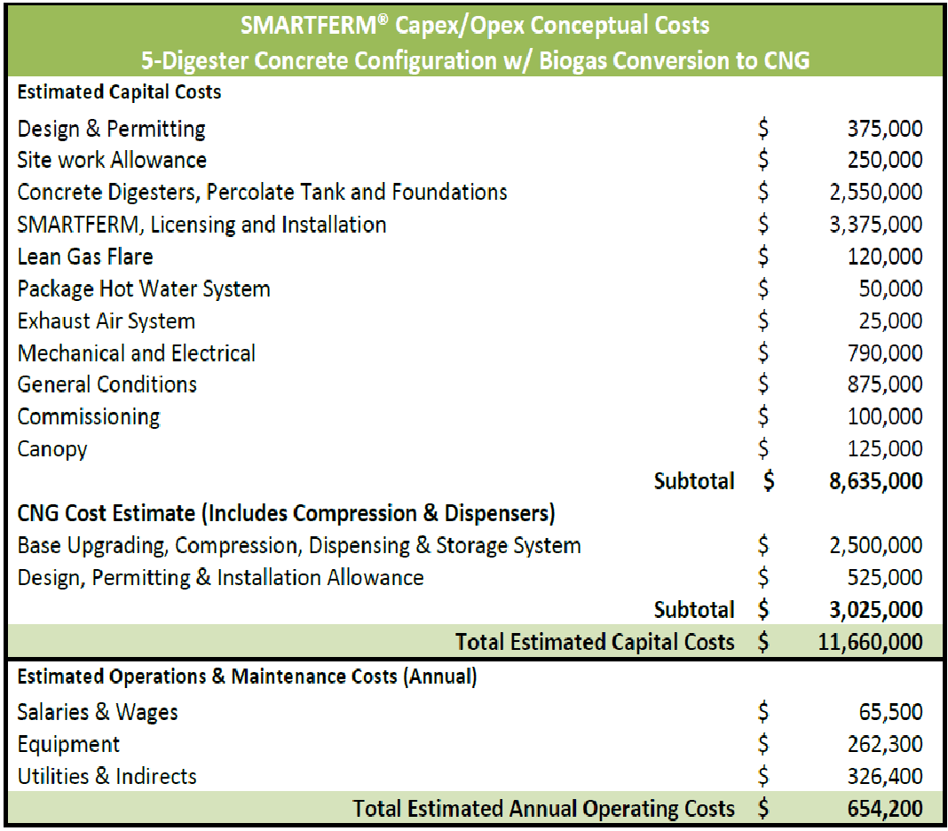

 |  |  |  |  |  |  |  |  |  |  | Digester f.o.b.
 |  |  |  |  |  |  |  |  |  |  | 2550000
 |  |  |  |  |  |  |  |  |  |  | Digester installed
 |  |  |  |  |  |  |  |  |  |  | 6000000
 |  |  |  |  |  |  |  |  |  |  | Compression + upgrading installed
 |  |  |  |  |  |  |  |  |  |  | 3000000
 |  |  |  |  |  |  |  |  |  |  | Others
 |  |  |  |  |  |  |  |  |  |  | 2600000
 |  |  |  |  |  |  |  |  |  |  | Interconnection
 |  |  |  |  |  |  |  |  |  |  | 1000000
 |  |  |  |  |  |  |  |  |  |  | FCI set to
 |  |  |  |  |  |  |  |  |  |  | 13000000

 |  |  |  |  |  |  |  |  |  |  | O&M
 |  |  |  |  |  |  |  |  |  |  | The equipment related could be much less.
 |  |  |  |  |  |  |  |  |  |  | The solid waste could be much less
 |  |  |  |  |  |  |  |  |  |  | O&M set to
 |  |  |  |  |  |  |  |  |  |  | 700000

 | Scenario C: Capacity feed 40,000 ton/yr, 9 digesters, 95'x18'x8.6' each. 72,964,000 cf CH4. Capacity is 133~168% of our case.
 | 1.333333333 | 1.685470085
 | The costs below do not include freight, permit costs, utilities/interconnection costs, applicable taxes, and any site development or preparation work.
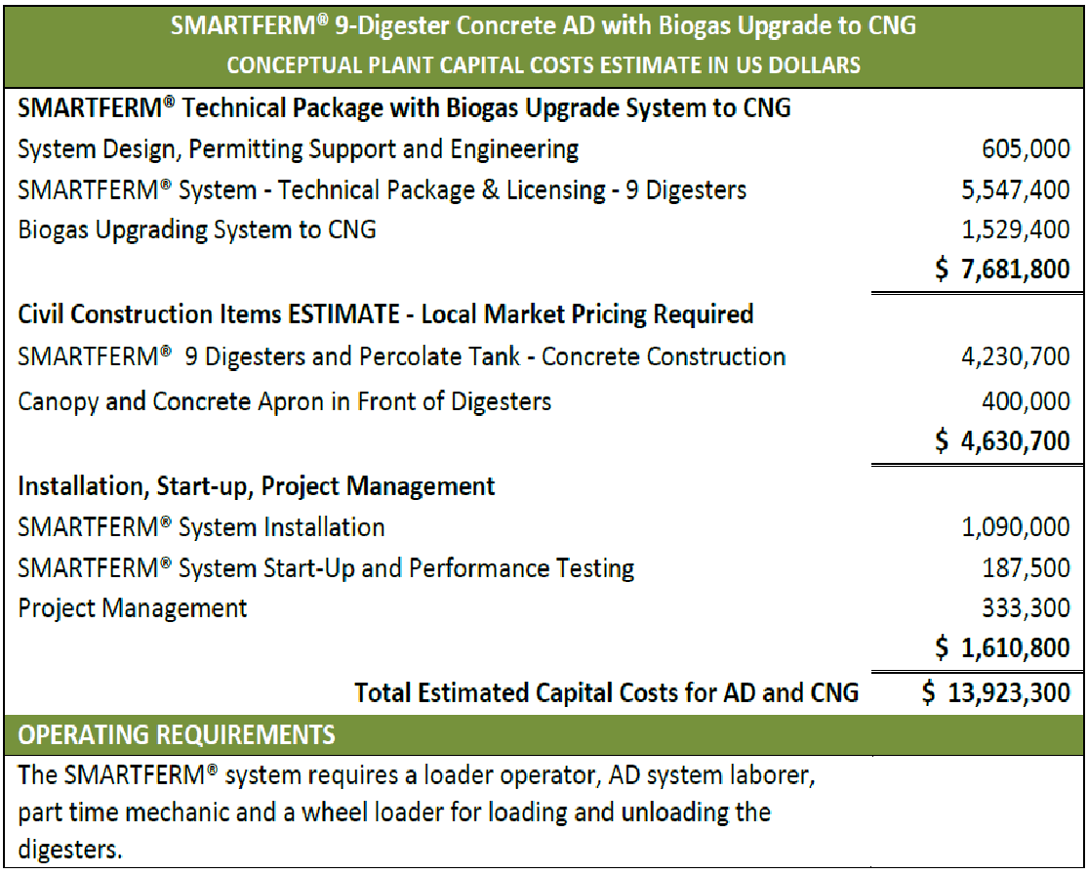

Ref. 27 | Hitachi meeting and presentation with sales manager Gratz, Thomas <Thomas.Gratz@hz-inova.com>
 | CALPOLY Pomona Presentation 3-25-2021.pdf |  |  |  |  |  |  |  |  |  | 5-15% of food, rest are green waste.
 | https://www.youtube.com/watch?v=fEq_O7BIiHY |  |  |  |  |  |  |  |  |  | $80/ton tipping fee, not in O&M.
 | https://www.youtube.com/watch?v=5k77n4GWsSM |  |  |  | flare system. Compost of the solid waste. |  |  |  |  |  | soft cost 3 million engineering permiting
 | https://www.youtube.com/watch?v=cwzBqABb6eo |  |  |  |  |  |  |  |  |  | 6.5% interest rate in financial analysis
 | San Luis Obispo (SLO) plant: 36,000 tons/yr, food 15%? + green waste, Biogas to CHP. 2 acres. Owned and operated by Hitachi. FCI MM$25, O&M MM$1.2-1.8/yr. start up 2018.
 | Escondido (near San Diago) plant: 93,000 tons/yr, green waste, biogas to NG 144,000 MMBtu/hr. (waste is three time more, but NG is two times more, due to less CH4 from green waste?). In commission. Use membrane to upgrade.
 | Thomas said the upgrading capital cost is similar to CHP system. Interconnection + odorization not in scope. Our case FCI ~MM$30 for inflation, similar O&M as SLO. 20-yr operation.
 | Thomas said Hitachi could finance the project. Cal recycle.org has MM$3 one time grand. RIN $20-25/MMBtu. LCFS 100-200 (unit?). How Hitachi make money?
 | Thomas said SoCalGas has another plant in CA. Ask Kelly for the vendor?
 | Double check the food waste amount. It seems the SLO covers more collections.
 | Check if the location has two acres.

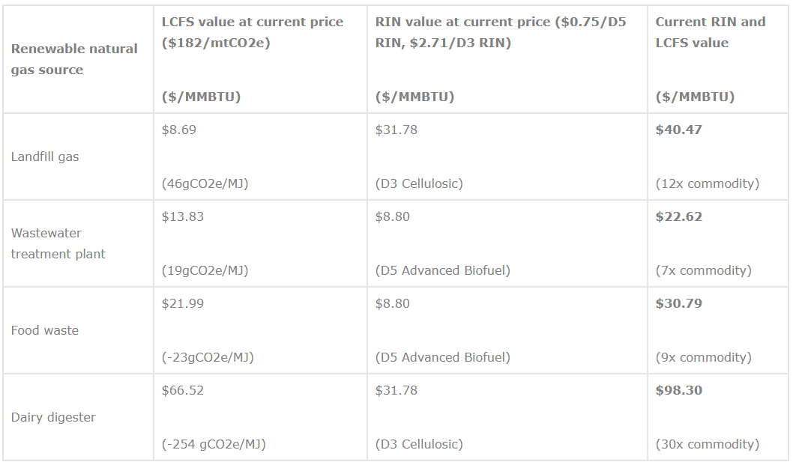
Ref. 28 | Kelly's email: Approximate value of credits = $41.77 |  |  |  |  |  |  |  | https://native.eco/2019/01/renewable-natural-gas-opportunities-for-corporate-climate-communities/
 | Assumptions: a carbon intensity of 50 (this is a big driver that affects the LCFS price) |  |  |  |  |  |  |  | RNG price | Environmental attributes | Environmental attributes
 | LCFS $8.90
 | RINs $29.87 (D3 at $2.30) |  |  |  |  |  |  |  | ($/MMBTU) | ($/MMBTU) | ($/mtCO2e)
 | Commodity price of Natural Gas $3 |  |  |  |  |  |  |  | $7.50 | $4.20 | $79 | 18.80952381
 |  |  |  |  |  |  |  |  | $13.73 | $10.43 | $197 | 18.88782359
Ref. 29 | https://americanbiogascouncil.org/resources/rin-calculator/#gf_3 |  |  |  |  |  |  |  | $20 | $16.70 | $315 | 18.86227545
 | 77,000 BTU/RIN, as defined by the EPA
 | 12.98701299
 | 29.87012987
 | LCFS
1 | Baseline carbon intensity (g CO2e/MJ)
 | CA gasoline is 95.86, CA conventional natural gas is 67.70 and CA diesel is 94.71.
2 | Biogas facility carbon intensity (g CO2e/MJ)
 | Generally landfill carbon intensities are +30 to +60, wastewater plants are +5 to +40, food waste high solids digesters are -20 to 0, and dairy digesters are -150 to -300
3 | Value of LCFS credit ($/MT)
 | Use data from the CA Air Resources Board here: https://www.arb.ca.gov/fuels/lcfs/credit/lrtweeklycreditreports.htm. Sign up for daily price alerts here: https://www.ecoengineers.us/rin-signup/
 | 95.86 | 95.86 | 67.7 | 67.7
 | 50 | 50 | 50 | 21
 | 180 | 184 | 180 | 180
 | $8.74 | $8.90 | $3.36 | $8.90

Ref. 30 | https://www.epa.gov/sites/production/files/documents/Why-Anaerobic-Digestion.pdf
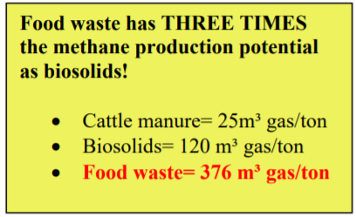
 |  |  |  |  | Note:

